Trend Analysis
Trend Analysis — Monthly Order Value
Identifying patterns and trends over time (Key Requirement: EDA)
Mean vs Median Order Value Over Time
Month | Order Count | Total Revenue ($) | Mean Order Value ($) | Median Order Value ($)
2023-01 | 47 | $56,686 | $1,206 | $1,068
2023-02 | 37 | $40,118 | $1,084 | $850
2023-03 | 43 | $48,609 | $1,130 | $1,040
2023-04 | 31 | $27,752 | $895 | $619
2023-05 | 49 | $63,837 | $1,303 | $1,248
2023-06 | 45 | $49,500 | $1,100 | $1,010
2023-07 | 44 | $42,821 | $973 | $671
2023-08 | 51 | $54,352 | $1,066 | $890
2023-09 | 29 | $29,527 | $1,018 | $824
2023-10 | 47 | $52,608 | $1,119 | $978
2023-11 | 41 | $43,080 | $1,051 | $667
2023-12 | 46 | $43,755 | $951 | $619
2024-01 | 32 | $38,528 | $1,204 | $1,070
2024-02 | 32 | $36,910 | $1,153 | $721
2024-03 | 36 | $36,031 | $1,001 | $756
2024-04 | 50 | $49,613 | $992 | $722
2024-05 | 34 | $27,909 | $821 | $616
2024-06 | 53 | $68,069 | $1,284 | $1,159
2024-07 | 43 | $42,964 | $999 | $695
2024-08 | 28 | $31,991 | $1,143 | $1,038
2024-09 | 44 | $39,795 | $904 | $581
2024-10 | 31 | $37,227 | $1,201 | $1,073
2024-11 | 35 | $32,414 | $926 | $636
2024-12 | 41 | $38,786 | $946 | $698
2025-01 | 27 | $29,099 | $1,078 | $1,052
2025-02 | 37 | $35,318 | $955 | $762
2025-03 | 49 | $39,201 | $800 | $624
2025-04 | 32 | $31,821 | $994 | $744
2025-05 | 37 | $43,397 | $1,173 | $930
2025-06 | 49 | $53,047 | $1,083 | $929

Observation: Mean tracks consistently above Median every month, confirming the right-skew is a persistent structural feature of order value (driven by a subset of high Quantity x high UnitPrice orders), not a one-time event.

Visual Diagnostics
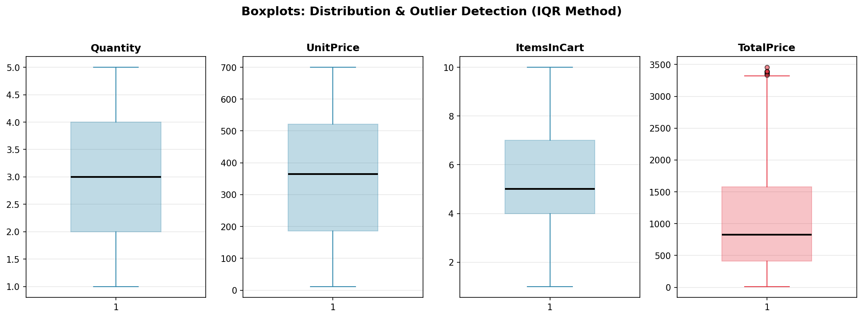
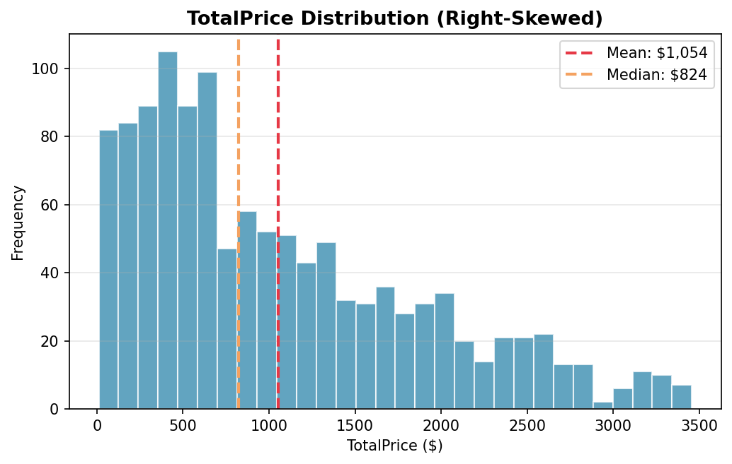
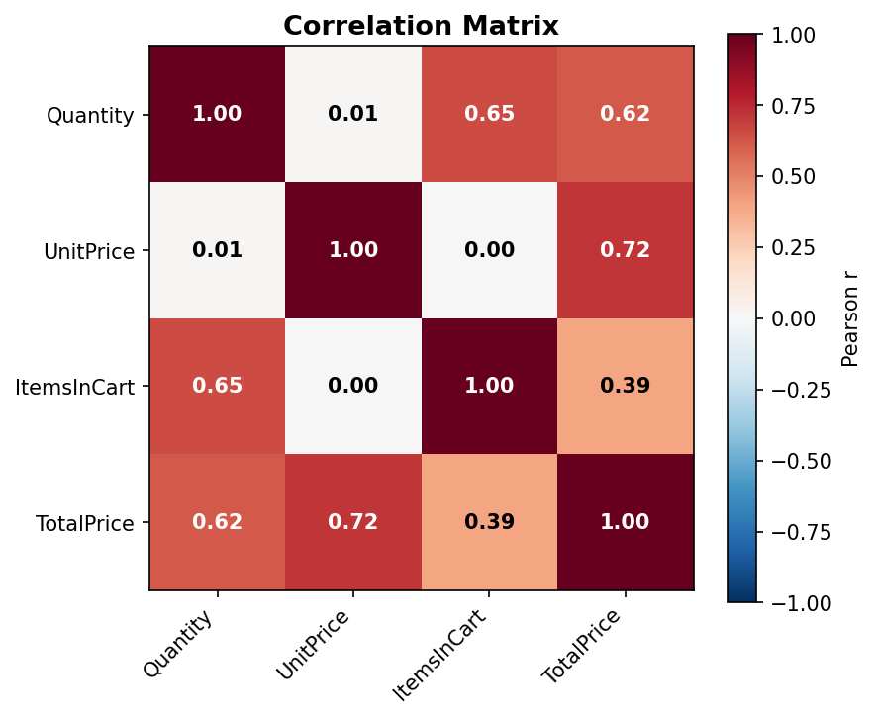
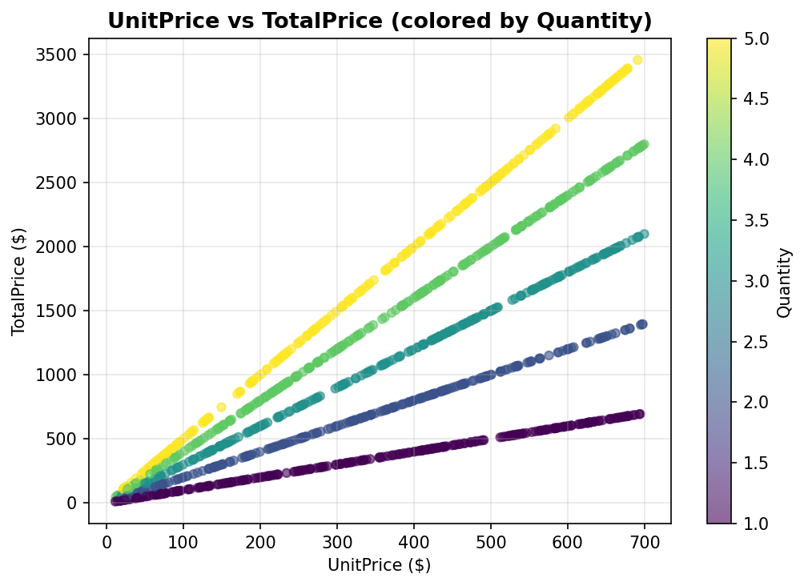
Visual Diagnostics
Boxplots, distribution, correlation heatmap, and scatter — generated from the cleaned dataset.

